Dashboard
VCycene – Return & Refund Dashboard

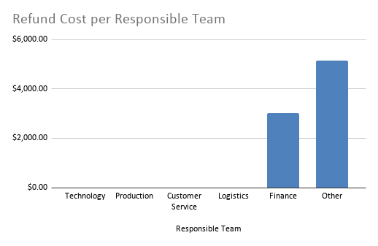
Monthly Returns Trend (Current Year)
Total Returns |  | Total Refund Cost | Avg Cost per Return |  | Avg Approval Days |  | Pending Approvals
32 |  | $9,214.44 | $287.95 |  | 0.00 |  | 4.00
 |  |  |  |  | Month | Returns
 |  |  |  |  | Jan | 1
 |  |  |  |  | Feb | 8
 |  |  |  |  | Mar | 3
 |  |  |  |  | Apr | 2
Responsible Team | Count | Net Cost |  |  | May | 0
Technology | 2 | $0.00 |  |  | Jun | 0
Production | 4 | $0.00 |  |  | Jul | 0
Customer Service | 0 | $0.00 |  |  | Aug | 0
Logistics | 3 | $0.00 |  |  | Sep | 0
Finance | 3 | $3,027.31 |  |  | Oct | 0
Other | 17 | $5,147.10 |  |  | Nov | 0
 |  |  |  |  | Dec | 0
 |  |  |  |  | Sep | 0
 |  |  |  |  | Oct | 0
 |  |  |  |  | Nov | 0
 |  |  |  |  | Dec | 0
Returns by Channel
Returns by Unit Conditions

 |  |  |  |  | Count
 | Count |  |  | Unused | 18
B2C - Canada | 22 |  |  | Used | 8
B2C - USA | 10 |  |  | Damaged | 2
B2G | 0 |  |  | Refurbishable | 0
B2D | 0 |  |  | Write-Off | 0

